CoverSheet
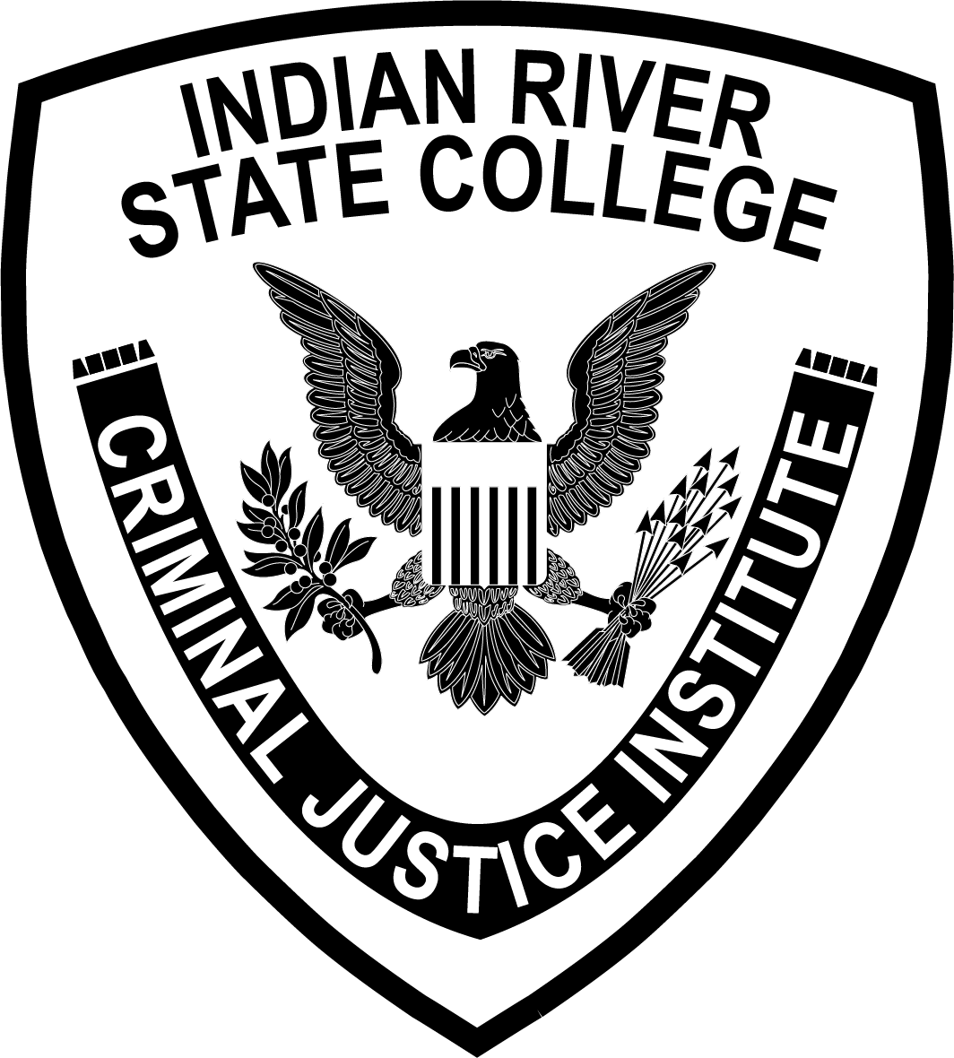

LAW ENFORCEMENT ACADEMY
186

INDIAN RIVER STATE COLLEGE
TREASURE COAST PUBLIC SAFETY TRAINING COMPLEX

